Title Sheet
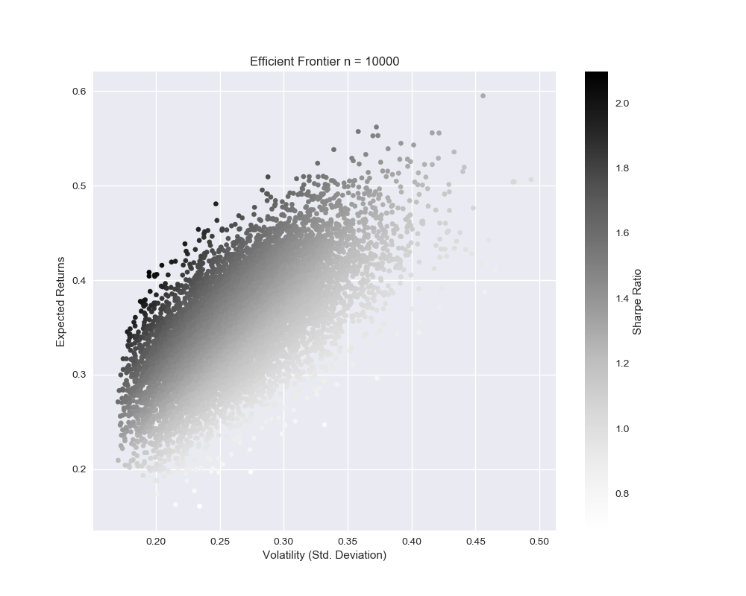
 | Returns | Volatility | Sharpe Ratio | AMZN wt | F wt | FB wt | GM wt | LULU wt | NFLX wt | MGNT wt | AFLT wt | MTLR wt | LKOH wt
7186 | 0.43093017262 | 0.19956504685 | 2.1593469368 | 0.097940264443 | 0.1525053033 | 0.25254369021 | 0.0063312591492 | 0.24744167133 | 0.036157306015 | 0.025159693683 | 0.03726999846 | 0.06760439817 | 0.077046415241

